Scatter
Annual Income | Median Home Price | Neighborhood | Explanation: Identify target neighborhoods we want to focus on
147244 | $2,900,000 | Malibu
66163 | $3,300,000 | Pacific Palisades
57848 | $1,500,000 | Topanga
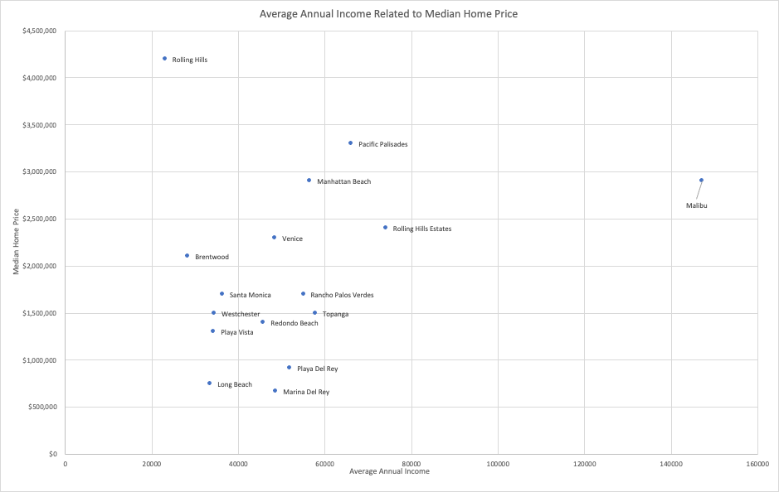
74,115 | $2,400,000 | Rolling Hills Estates
56,559 | $2,900,000 | Manhattan Beach
23,132 | $4,200,000 | Rolling Hills
28,363 | $2,100,000 | Brentwood
33,568 | $749,000 | Long Beach
34,322 | $1,300,000 | Playa Vista
34,489 | $1,500,000 | Westchester
36,388 | $1,700,000 | Santa Monica
45,843 | $1,400,000 | Redondo Beach
48,525 | $2,300,000 | Venice
48,722 | $667,500 | Marina del Rey
51,961 | $914,000 | Playa Del Rey
55,059 | $1,700,000 | Rancho Palos Verdes

Line
Row Labels | Average Price Per Night | Avg Annual Income | Explanation: Identify most promising investment opportunity, types of properties to target
1 | 213 | 32588
2 | 267 | 38285
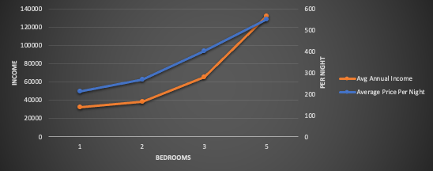
3 | 401 | 65569
5 | 550 | 132000
Grand Total | 269 | 41699

Histogram
id | Est_annual_income
20698041 | $21,216 | Explanation: Shows income breakdown for chosen neighborhood.
41585033 | $19,200
45911974 | $40,608
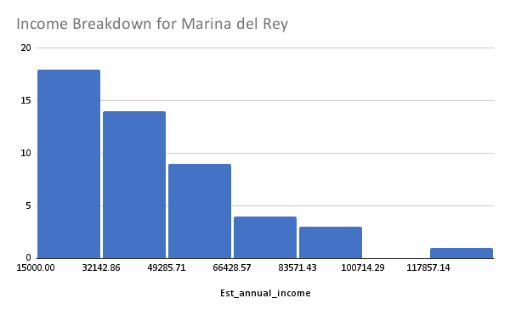
48847109 | $30,498
40205273 | $49,020
48334723 | $45,828
1332728 | $29,000
31212495 | $26,520
48713200 | $46,320
45222995 | $23,040
23256733 | $39,060
49045053 | $23,814
50901598 | $43,092
18159407 | $29,172
41724700 | $29,172
46900443 | $37,122
32905778 | $82,800
45131194 | $24,288
45131029 | $18,000
47124817 | $32,256
41065586 | $50,400
24854999 | $63,150
27849089 | $42,450
32921190 | $24,960
50459712 | $27,768
44245129 | $49,896
41725117 | $37,128
38721481 | $26,880
41725114 | $39,984
26343010 | $69,888
50390841 | $40,152
43518815 | $62,100
44600546 | $27,342
51494785 | $40,734
41725360 | $30,720
41182857 | $65,736
33706050 | $75,240
34629044 | $87,264
49027717 | $29,016
46668499 | $72,072
24139400 | $96,720
49876357 | $132,000
41725119 | $56,465
41725118 | $56,465
27123362 | $25,294
40868839 | $87,381
45741368 | $35,514
32913930 | $51,611
43189489 | $61,064

